Variables
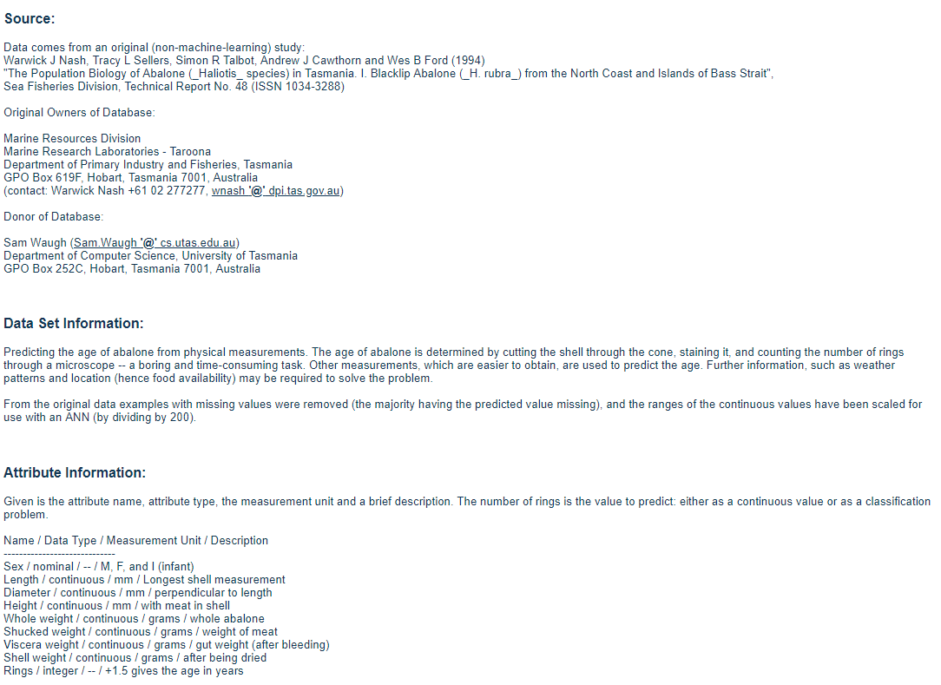
http://archive.ics.uci.edu/ml/datasets/Abalone

